Summary
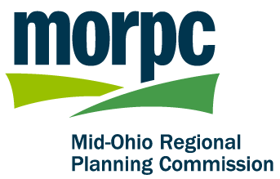

Estimated Additional Costs for All Proposed Facilities

 |  | Low | High
 | Sidewalks | $0 | $0
 | Multi-Use Paths | $0 | $0
 | Bike Lanes | $0 | $0
 | Total | $0 | $0

View instructions on how to use this tool at www.morpc.org/atp

Disclaimer: Funding for this Cost Estimator Tool was provided by Franklin, Delaware, Licking, Fairfield and Union counties, municipalities and townships within these counties, the Federal Highway Administration, the Federal Transit Administration, and the Ohio Department of Transportation. The contents of this report reflect the views of MORPC, which is responsible for the facts and accuracy of the data presented herein. The contents do not necessarily reflect the official view and policies of the State of Ohio and/or Federal agencies. This report does not constitute a standard, specification, or regulation.
MORPC does not discriminate on the basis of age, race, color, national origin, gender, sexual orientation, familial status, religion, veteran status, disability in programs, services or in employment. Information on non-discrimination and related MORPC policies and procedures is available at www.morpc.org under Popular Links.
October 2015

